Affiliate Organizations
Our Affiliate Organizations are:

 | Founded in 1975, Canine Companions for Independence® is a non-profit organization that enhances the lives of people with disabilities by providing highly trained assistance dogs and ongoing support to ensure quality partnerships.

 | https://www.cci.org/

 | We’re on a mission to end hunger and poverty in a sustainable way by supporting and investing alongside local farmers and their communities.

 | https://www.heifer.org/

 | To inspire and develop our global community of youth and volunteers to a life dedicated to leadership, service, and innovation.

 | https://www.hoby.org/



 | March of Dimes leads the fight for the health of all moms and babies. We believe that every baby deserves the best possible start. Unfortunately, not all babies get one. We are changing that.

 | https://www.marchofdimes.org/

 | Operation Smile has provided hundreds of thousands of safe surgeries for those born with cleft lip and cleft palate. With more than three decades of expertise, Operation Smile creates solutions that deliver free surgery to people where it’s needed most.

 | https://www.operationsmile.org/

 | Prevent Child Abuse America is the leading national, not-for-profit organization whose sole mission is “to prevent the abuse and neglect of our nation’s children.” Prevention is defined as the abuse or neglect never occurring.
 | The Prevent Child Abuse America national office is located in Chicago, Illinois, and its network includes 47 statewide prevention chapters.

 | https://preventchildabuse.org/



 | Shot@Life aims to ensure that children around the world have access to lifesaving vaccines. Through public education, grassroots advocacy, and fundraising, we strive to decrease vaccine-preventable childhood deaths and give every child a shot at a healthy life no matter where they live.

 | https://shotatlife.org/

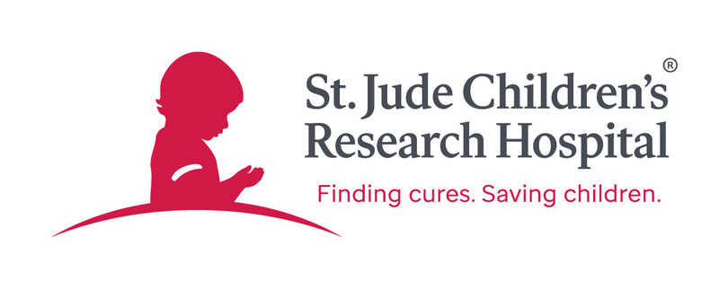 | The mission of St. Jude Children’s Research Hospital is to advance cures, and means of prevention, for pediatric catastrophic diseases through research and treatment. Consistent with the vision of our founder Danny Thomas, no child is denied treatment based on race, religion or a family's ability to pay.

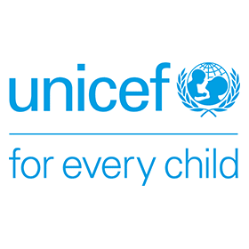
 | https://www.stjude.org/

 | UNICEF works in over 190 countries and territories to save children's lives, to defend their rights, and to help them fulfil their potential, from early childhood through adolescence. And we never give up.

 | https://www.unicef.org/

The club's intent of the projects/programs for these Affiliates determines which Community Service Program the project is reported.

Canine Companions for Independence
Heifer International
HOBY
March of Dimes
Operation Smile
Prevent Child Abuse America
Shot@Life
St. Jude Children's Research Hospital
Unicef
None

